FRONT
TECHNICAL PACK FOR STYLE |  |  |  | DW11038 | CUSTOMER |  | DUCKWORTH
DETAILS SHEET
STYLE NO: | DW11038 |  | PO NO: |  | 1654 | DATE: |  | 2026-07-10
CUSTOMER: | DUCKWORTH |  | SIZE RANGE: |  | S-XXL | SAMPLE SIZE: |  | M
SEASON: | FW26 |  | FABRIC/YARN: |  | AWC 100% Wool Woven | WIDTH (open or tube) : |  | Open
MANUFACTURER: |  | BTUSA | FACTORY SUBMIT DATE: |  | 07.10.2026 | WEIGHT |  | 710 GSM
DESCRIPTION: |  | MENS SNOWCREST SHACKET (SHIRT-JACKET) |  |  |  | STATUS |  | PPS1
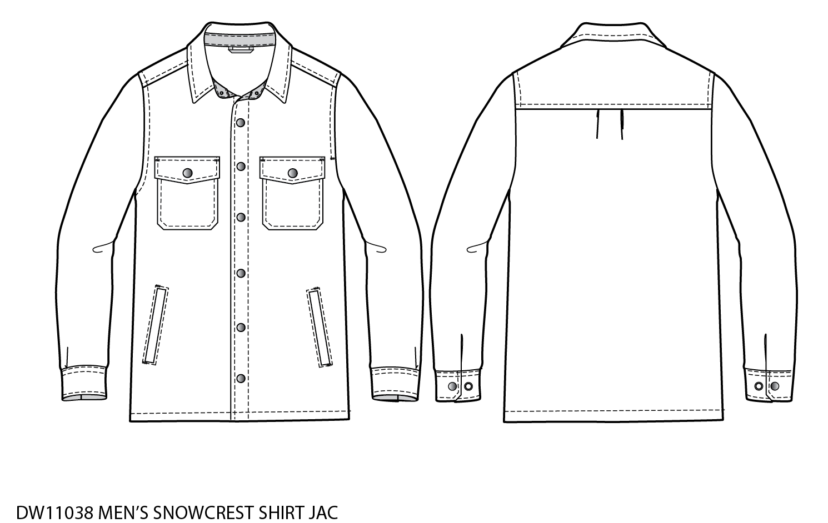
KEY DATES:
SEPTEMBER EX. FTY. TARGET
 |  |  |  |  | BACKFRONT
COLORS:
BLACK (Pantone: Black Bean)
DARK OLIVE (Pantone: Tarmac)

COMMENTS:
6-6-23 (AM) REVISED SKETCHES TO MATCH P2 SAMPLE. REVISED POMS FOR ARMHOLE, MUSCLE, PKT HEIGHT WITH FLAP, PKT PLACEMENT
6-13-23 (JH) REVISED BOM; APPROVED FOR PRODUCTION
6-27-23 JH - UPDATED BOM INTERFACING FABRIC USED
6-13-24 JH - UPDATED PO & ADDED DARK OLIVE COLORWAY
7-10-26 (JH) - Factory submit to BTUSA for FW26 Production (PO 1654); REV 2 - NO BASE SIZE CHANGE, GRADING CHANGE
DUCKWORTH - 37 E. Main Street, Bozeman, MT 59715

MAKE SHEET
TECHNICAL PACK FOR STYLE |  |  |  | DW11038 | CUSTOMER |  | DUCKWORTH
MAKE SHEET
STYLE NO: | DW11038 |  | PO NO: |  | 1654 | DATE: |  | 2026-07-10
CUSTOMER: | DUCKWORTH |  | SIZE RANGE: |  | S-XXL | SAMPLE SIZE: |  | M
SEASON: | FW26 |  | FABRIC/YARN: |  | AWC 100% Wool Woven | WIDTH (open or tube) : |  | Open
MANUFACTURER: |  | BTUSA |  |  |  | WEIGHT |  | 710 GSM
DESCRIPTION: |  | MENS SNOWCREST SHACKET (SHIRT-JACKET) |  |  |  | STATUS |  | PPS1
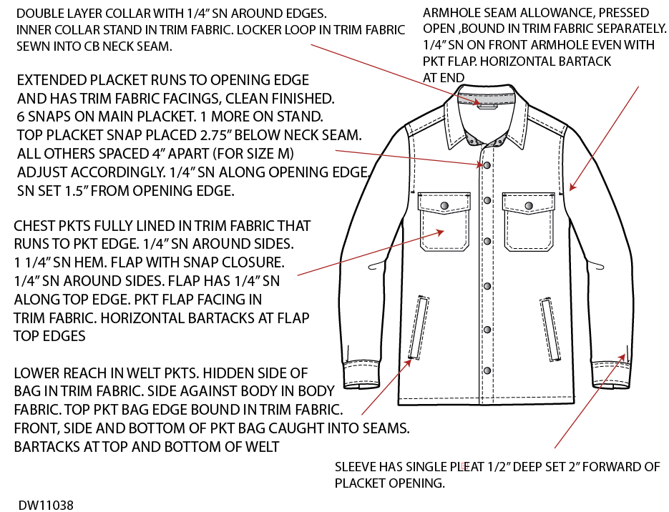

DUCKWORTH - 37 E. Main Street, Bozeman, MT 59715

DETAILS SHEET
TECHNICAL PACK FOR STYLE |  |  |  | DW11038 | CUSTOMER |  | DUCKWORTH

STYLE NO: | DW11038 |  | PO NO: |  | 1654 | DATE: |  | 2026-07-10
CUSTOMER: | DUCKWORTH |  | SIZE RANGE: |  | S-XXL | SAMPLE SIZE: |  | M
SEASON: | FW26 |  | FABRIC/YARN: |  | AWC 100% Wool Woven | WIDTH (open or tube) : |  | Open
MANUFACTURER: |  | BTUSA |  |  |  | WEIGHT |  | 710 GSM
DESCRIPTION: |  | MENS SNOWCREST SHACKET (SHIRT-JACKET) |  |  |  | STATUS |  | PPS1
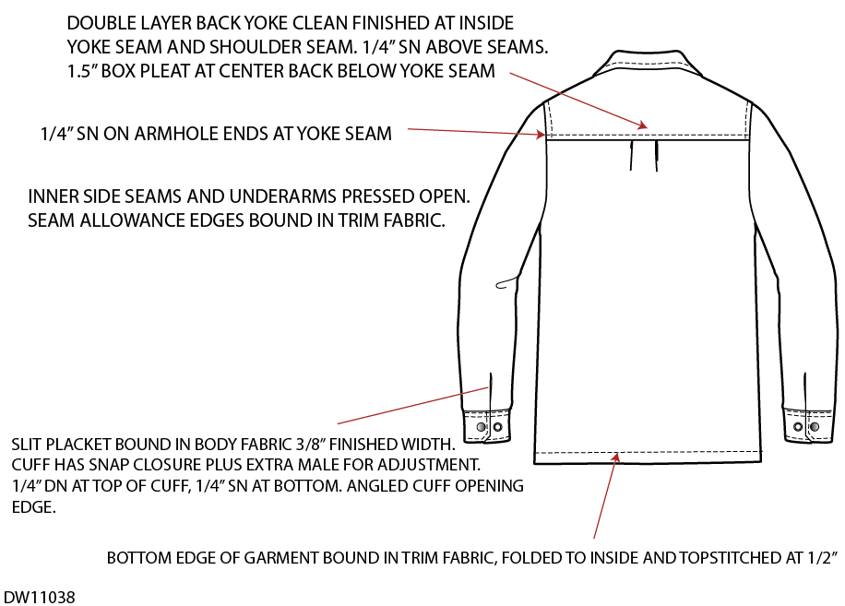

DUCKWORTH - 37 E. Main Street, Bozeman, MT 59715

DETAILS
TECHNICAL PACK FOR STYLE |  |  |  |  | DW11038 | CUSTOMER |  | DUCKWORTH
MAKE POCKET AND BUTTON
STYLE NO: |  | DW11038 |  | PO NO: |  | 1654 | DATE: |  | 2026-07-10
CUSTOMER: |  | DUCKWORTH |  | SIZE RANGE: |  | S-XXL | SAMPLE SIZE: |  | M
SEASON: |  | FW26 |  | FABRIC/YARN: |  | AWC 100% Wool Woven | WIDTH (open or tube) : |  | Open
MANUFACTURER: |  |  | BTUSA |  |  |  | WEIGHT |  | 710 GSM
DESCRIPTION: |  |  | MENS SNOWCREST SHACKET (SHIRT-JACKET) |  |  |  | STATUS |  | PPS1
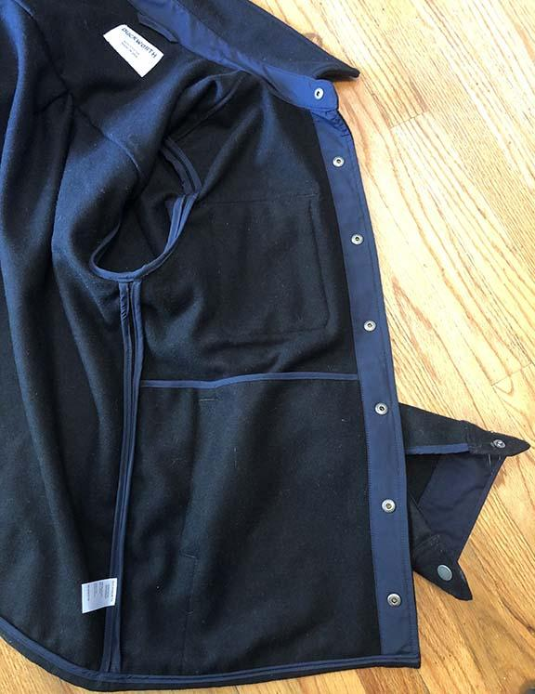

 |  |  |  |  |  |  |  | +

 | INTERIOR VIEW FOR PLACEMENT OF TRIM FABRIC

DUCKWORTH - 37 E. Main Street, Bozeman, MT 59715

SPEC
#ERROR! |  |  |  |  | DW11038 |  |  |  |  | #ERROR! |  |  |  | #ERROR!
SPECIFICATION FORM
STYLE NO: |  | DW11038 |  | PO#: |  |  | 1654 |  |  | DATE |  |  | 2026-07-10
CUSTOMER: |  | DUCKWORTH |  | SIZE RANGE: |  |  | S-XXL |  |  | #ERROR! |  |  | #ERROR!
SEASON: |  | FW26 |  | FABRIC/YARN: |  |  |  |  |  | #ERROR! |  |  | #ERROR!
MANUFACTURER: |  |  | BUTSA |  |  |  |  |  |  | WEIGHT |  |  | 710 GSM
DESCRIPTION: |  |  | MENS SNOWCREST SHACKET (SHIRT-JACKET) |  |  |  |  |  |  | STATUS |  |  | PPS1
REF | POINTS MEASURED |  |  |  | TOL +/- | S | M | L | XL | XXL | GRADE | NOTE | SKETCH
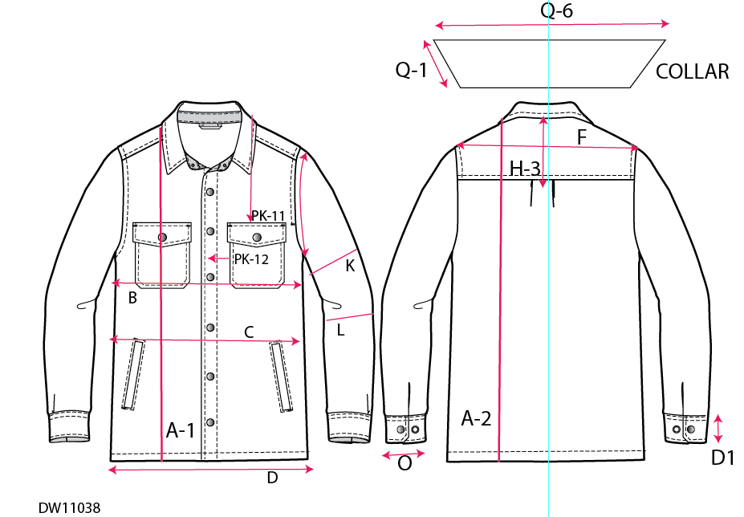
A1 | Front Length (from high point shoulder- HPS- to BTM) |  |  |  | 0.5 | 28.5 | 29.5 | 30.5 | 31.5 | 32.5 | 1
A-2 | Back length (from high point shoulder - HPS- to BTM) |  |  |  | 0.5 | 28.5 | 29.5 | 30.5 | 31.5 | 32.5 | 1
B | Chest Width (1" under armhole) |  |  |  | 0.375 | 21 | 22.5 | 24 | 25.5 | 27.5 | 1.5 | Add .5 XXL
C | Waist Width 18 " below HPS |  |  |  | 0.375 | 20.5 | 22 | 23.5 | 25 | 27 | 1.5 | Add .5 XXL
D | Bottom/Sweep - straight |  |  |  | 0.375 | 21 | 22.5 | 24 | 25.5 | 27.5 | 1.5 | Add .5 XXL
E | Sweep / Hem height |  |  |  | 0.125 | 0.5 | 0.5 | 0.5 | 0.5 | 0.5 | 0
F | Across Shoulder - Seam to Seam |  |  |  | 0.25 | 17.75 | 18.5 | 19.25 | 20 | 20.75 | 0.75
I-I | Sleeve Length From from shoulder seam to sleeve edge - WR RIGHT |  |  |  | 0.25 | 24.75 | 25.5 | 26.25 | 27 | 27.75 | 0.75
I-I | Sleeve Length From from shoulder seam to sleeve edge - WR LEFT |  |  |  | 0.25 | 24.75 | 25.5 | 26.25 | 27 | 27.75 | 0.75
 | Sleeve Length Difference |  |  |  | 0.25 | 0 | 0 | 0 | 0 | 0 | 0
J-1 | Armhole Drop- Shoulder point to bottom of armhole straight |  |  |  | 0.25 | 9.375 | 9.75 | 10.125 | 10.5 | 10.875 | 0.375
K | Muscle- 1" Below Armhole |  |  |  | 0.25 | 8.375 | 8.75 | 9.125 | 9.5 | 9.875 | 0.375
L | Elbow, 8" below armhole |  |  |  | 0.25 | 6.625 | 7 | 7.375 | 7.75 | 8.125 | 0.375
 | Forearm 8" up from sleeve edge |  |  |  | 0.25 | 6.125 | 6.375 | 6.625 | 6.875 | 7.125 | 0.25
0 | Sleeve opening- buttoned (half meas) |  |  |  | 0.25 | 4.75 | 5 | 5.25 | 5.5 | 5.75 | 0.25
PL-1 | Sleeve Placket opening length |  |  |  | 0.25 | 3.5 | 3.5 | 3.5 | 3.5 | 3.5 | 0
PL-2 | Sleeve Placket Width Finish |  |  |  | 0.125 | 0.375 | 0.375 | 0.375 | 0.375 | 0.375 | 0
M. | Cuff Height |  |  |  | 0.125 | 2.5 | 2.5 | 2.5 | 2.5 | 2.5 | 0
Q-5 | Neck Width, seam to seam |  |  |  | 0.25 | 6.75 | 7 | 7.25 | 7.5 | 7.75 | 0.25
U | Front Neck Drop- HPS to seam |  |  |  | 0.25 | 3.5 | 3.75 | 4 | 4.25 | 4.5 | 0.25
V | Back Neck Drop-HPS to seam |  |  |  | 0.25 | 0.5 | 0.5 | 0.625 | 0.625 | 0.625 | 0 | Add .125 to L, XL,XXL
Q-6 | Collar length along top edge |  |  |  | 0.25 | 18.375 | 19.25 | 20.25 | 21.125 | 22 | 0.875
Q-1 | Collar Point |  |  |  | 0.25 | 2.75 | 2.75 | 2.75 | 2.75 | 2.75 | 0
N | Collar Height Center Back |  |  |  | 0.125 | 2.25 | 2.25 | 2.25 | 2.25 | 2.25 | 0
Q-7 | Collar Stand Height at Center Back |  |  |  | 0.125 | 1.25 | 1.25 | 1.25 | 1.25 | 1.25 | 0
PW | Front Placket width |  |  |  | 0.125 | 1.5 | 1.5 | 1.5 | 1.5 | 1.5 | 0
W-1 | Shoulder Forward |  |  |  | 0.25 | 2 | 2 | 2 | 2.25 | 2.25 | 0 | Add .25 to XL, XXL
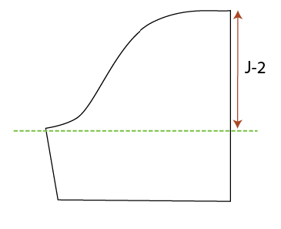
H-3 | Center back yoke height |  |  |  | 0.25 | 6 | 6 | 6 | 6.5 | 6.5 | 0 | Add .5 to XL, XXL
PK-5 | Pocket Width |  |  |  | 0.25 | 5.375 | 5.375 | 5.375 | 5.625 | 5.625 | 0 | Add .25 to XL, XXL
PK-4 | Pkt Height at Center including flap** |  |  |  | 0.25 | 6.75 | 6.75 | 6.75 | 7 | 7 | 0 | Add .25 to XL, XXL
PK-11 | Pkt Flap Height at center |  |  |  | 0.25 | 2.75 | 2.75 | 2.75 | 2.875 | 2.875 | 0 | Add .125 to XL, XXL
PK-12 | Pkt flap height at sides |  |  |  | 0.25 | 2 | 2 | 2 | 2.125 | 2.125 | 0 | Add .125 to XL, XXL
PK-4 | Pkt flap width at top |  |  |  | 0.25 | 5.625 | 5.625 | 5.625 | 5.875 | 5.875 | 0 | Add .25 to XL, XXL
PK-11 | Pkt Placement from HPS |  |  |  | 0.25 | 8 | 8.25 | 8.5 | 8.75 | 9 | 0.25
PK-12 | Pkt placement from Center Front |  |  |  | 0.25 | 2 | 2 | 2.25 | 2.5 | 2.75 | 0.25 | S=M
 | Pkt welt width |  |  |  | 0.25 | 0.75 | 0.75 | 0.75 | 0.75 | 0.75 | 0
 | Pkt welt length |  |  |  | 0.25 | 6.75 | 6.75 | 6.75 | 6.875 | 6.875 | 0 | Add .125 to XL, XXL
 | Pkt welt up from bttom edge of garment |  |  |  | 0.25 | 4.75 | 4.75 | 4.75 | 5.25 | 5.25 | 0 | Add .5 to XL, XXL
 | Top edge of welt from side seam |  |  |  | 0.25 | 3 | 3 | 3.25 | 3.5 | 3.75 | 0.25 | S=M
 | Bottom edge of welt from side seam |  |  |  | 0.25 | 2.5 | 2.5 | 2.75 | 3 | 3.25 | 0.25 | S=M
#ERROR!

LABELS & TICKETS
TECHNICAL PACK FOR STYLE |  |  |  | DW11038 |  | CUSTOMER | DUCKWORTH
LABELS AND TICKETING
STYLE NO: | DW11038 |  | PO NO: |  | 1654 |  | DATE: | 2026-07-10
CUSTOMER: | DUCKWORTH |  | SIZE RANGE: |  | S-XXL |  | SAMPLE SIZE: | M
SEASON: | FW26 |  | FABRIC/YARN: |  | AWC 100% Wool Woven |  | WIDTH: | Open
MANUFACTURER: |  | BTUSA |  |  |  |  | WEIGHT | 710 GSM
DESCRIPTION: |  | MENS SNOWCREST SHACKET (SHIRT-JACKET) |  |  |  |  | STATUS | PPS1

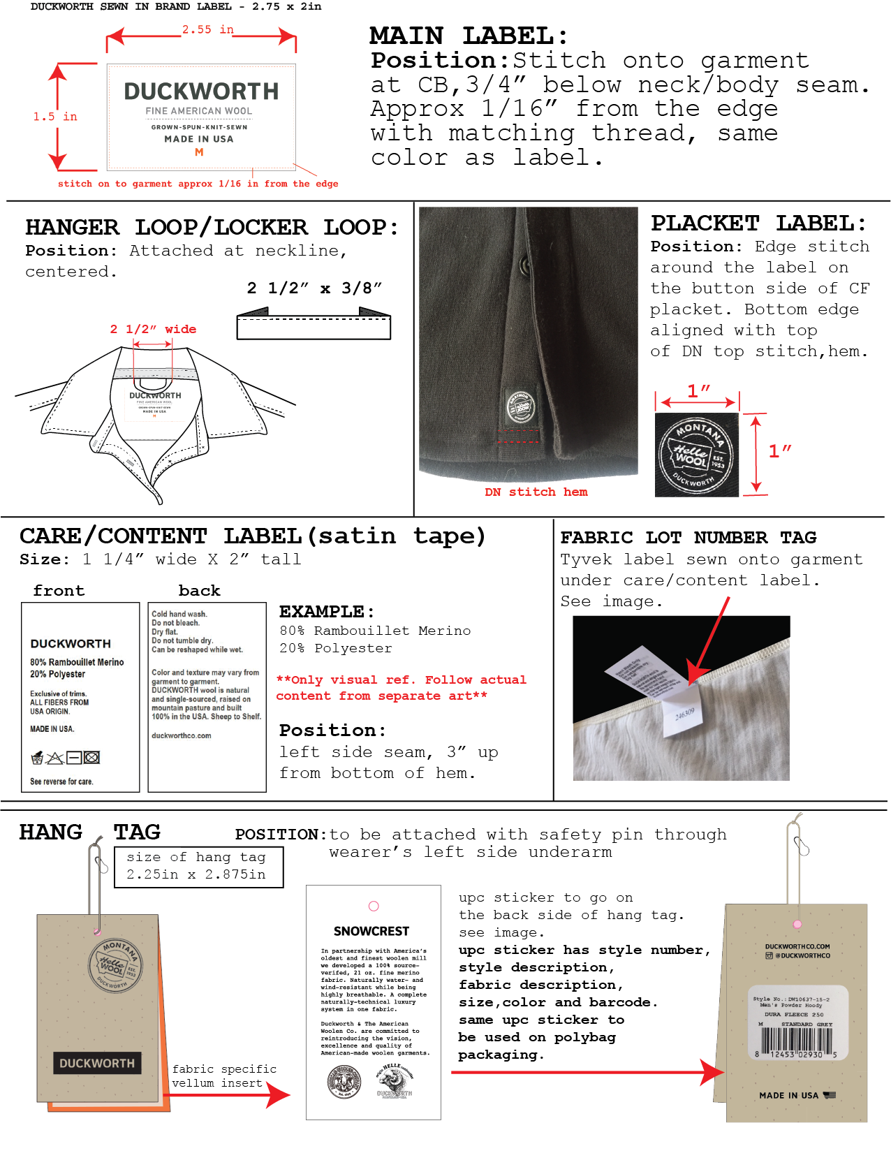

 |  |  |  |  |  | UPDATED LABEL DESIGN
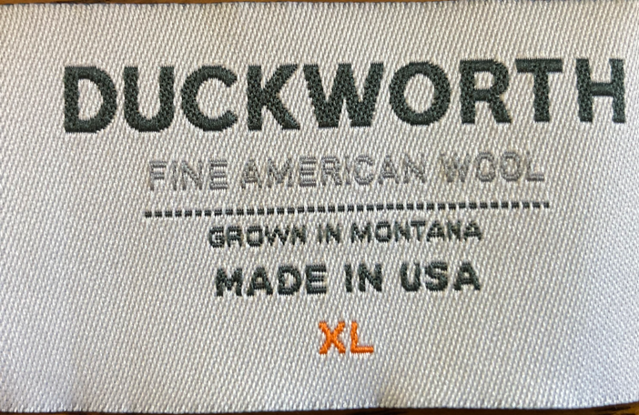

DUCKWORTH - 37 E. Main Street, Bozeman, MT 59715

SHIP-PACK DETAILS
TECHNICAL PACK FOR STYLE |  |  |  |  |  | DW11038 | CUSTOMER | DUCKWORTH
SHIPPING AND PACKING DETAILS
STYLE NO: |  |  | DW11038 |  | PO NO: |  | 1654 | DATE: | 2026-07-10
CUSTOMER: |  |  | DUCKWORTH |  | SIZE RANGE: |  | S-XXL | SAMPLE SIZE: | M
SEASON: |  |  | FW26 |  | FABRIC/YARN: |  | AWC 100% Wool Woven | WIDTH: | Open
MANUFACTURER: |  |  |  | BTUSA |  |  |  | WEIGHT | 710 GSM
DESCRIPTION: |  |  |  | MENS SNOWCREST SHACKET (SHIRT-JACKET) |  |  |  | STATUS | PPS1

 | * | Pls place 1 UPC sticker on the back of each hangtag prior packing - see labels & tickets page for placement
 | * | Pls have hang tag visible inside the poly bag as shown.
 | * | Pls fold each garment neatly prior placed in poly bag.
 | * | If garment has buttons or snaps, all closures must be closed prior to packaging

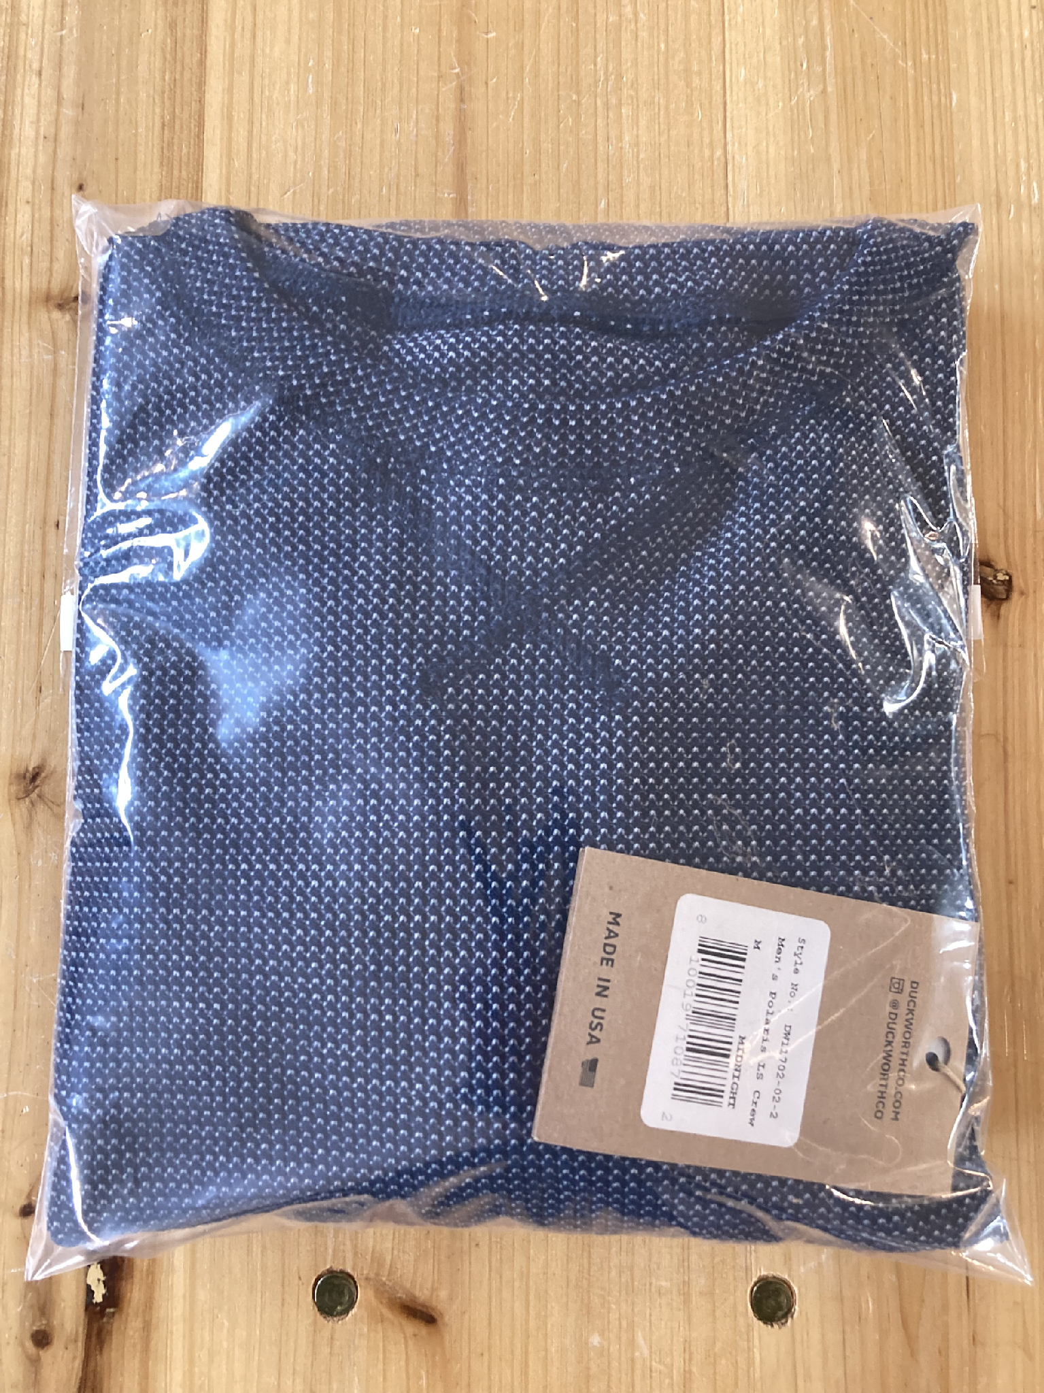

 |  |  |  |  |  | Poly bag art is subject to change!
 |  |  |  |  |  | Image is only for visual ref of neatly folded garment with hangtag and upc sticker placement

DUCKWORTH - 37 E. Main Street, Bozeman, MT 59715

